LEE COOPER Summary
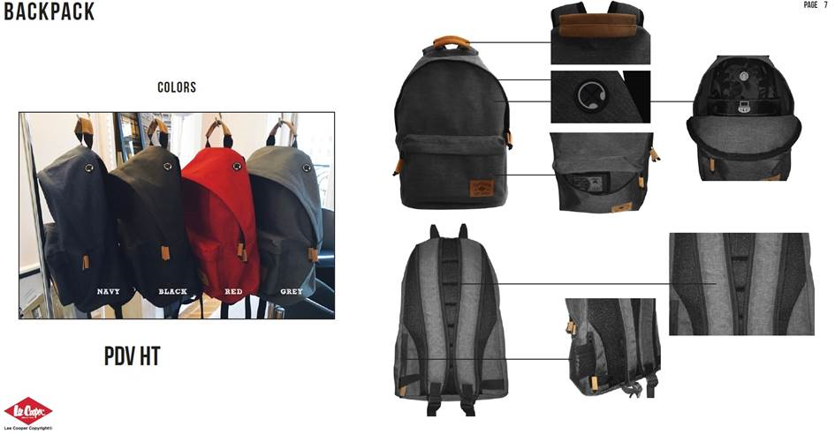
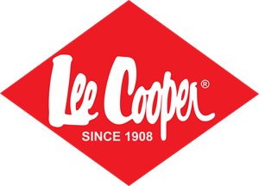
PACKSACKS with PENCIL CASE Unisex

 | ZAB
URGENT CLEARANCE STOCK

QUANTITY 23,200 PIECES
PRICE: 6.99€ TAKE ALL
MINIMUM ORDER QUANTITY: 1,000 Items / PRICE 12.50€
RECOMMENDED RETAIL PRICE: 69€
PACKSACK SOLD WITH PENCIL CASE
Shoulder Paded Packsacks 100% NEW in Original Packaging
Exworks: Warehouse near Paris, France

LEE COOPER Purchase Order
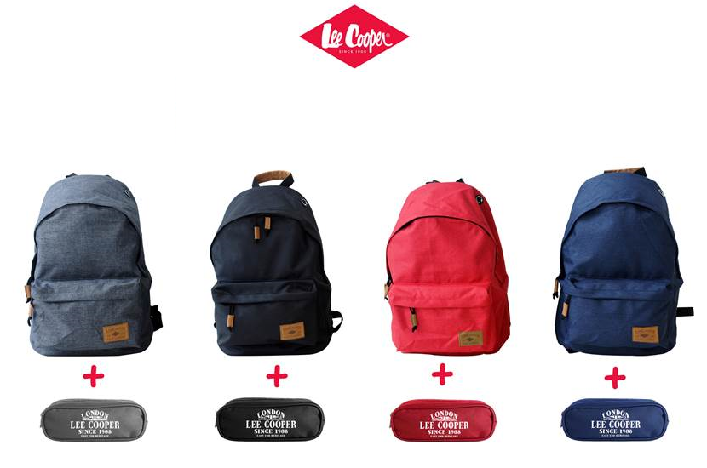
 |  |  | UNISEX PACKSACKS IN FOUR COLORS WITH MATCHING COLOR PENCIL CASE

IMAGES | EAN | DESCRIPTION | COLOR | QUANTITIES 23 200 Pieces | RETAIL PRICE | PURCHASE ORDER | TOTAL
BLACK | 3610630001307 | Packsack + Pencil Case | BLACK | 8120 | 69.00€
GREY | 3610630001314 | Packsack + Pencil Case | GREY | 5800 | 69.00€
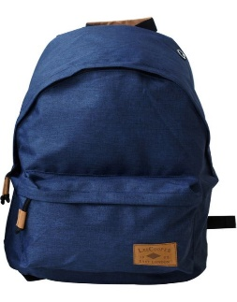 | 3610630001321 | Packsack + Pencil Case | NAVY | 5800 | 69.00€
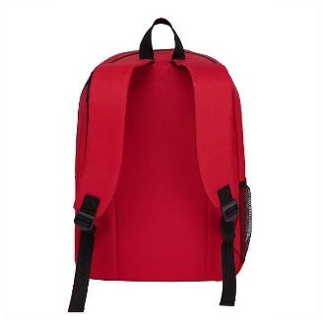 | 3610630001338 | Packsack + Pencil Case | RED | 3480 | 69.00€
 |  |  |  | 23200

